Exemption Logic
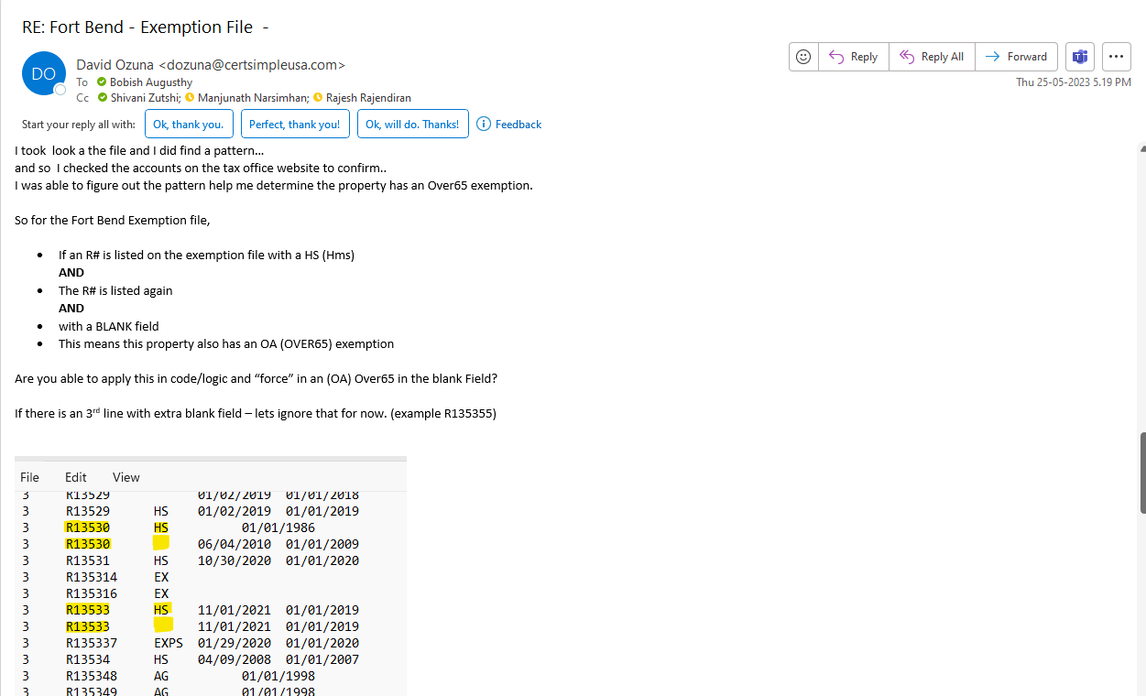
Exemption Logic

